Product Inquiry
PRODUCT INQUIRY · UL CERTIFICATION REQUEST

Date | April 29, 2026
From | Mano Engineering, LLC
Subject | UL Certification Availability Inquiry

PRODUCT REFERENCE
Listing Title | High Quality C-Way 1/4'' Brass Mini Needle Valve 2-Way 400 psi High Temp Wheel Handle for Water/gas Media OEM Acceptable
Valve Type | Needle Valve, 2-Way (Straight Body)
Body Material | Brass
Port Size | 1/4" NPT (Female both ends)
Pressure Rating | 400 psi
Handle Type | Knurled Wheel Handle
Media | Water (and compatible media)
OEM | Acceptable per listing

Product Image | 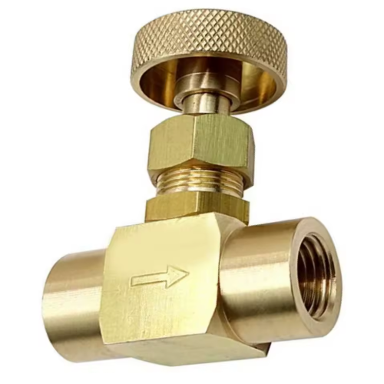

INQUIRY
Q1 – UL Listing | Is this product currently UL Listed (Underwriters Laboratories)? If yes, please provide the UL File Number and the applicable UL Standard (e.g., UL 429, UL 1963, or equivalent).
Q2 – Certificate | Can you share a copy of the UL Certificate of Compliance or a test report from a NRTL (Nationally Recognized Testing Laboratory) for this valve?
Q3 – Alternative Certifications | If UL Listing is not available, does the product hold any equivalent North American certification such as CSA, ETL, or NSF? Please specify the standard and scope.
Q4 – MOQ & Lead Time | What is the Minimum Order Quantity (MOQ) and standard lead time for this item?

